Punching Calculator
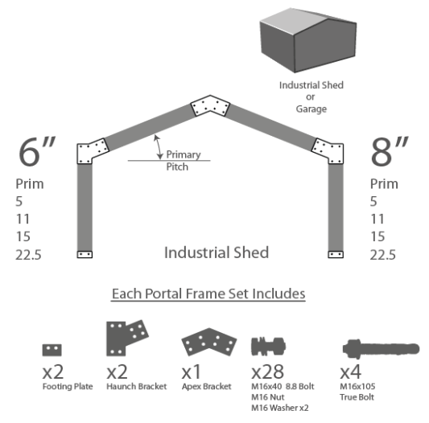
Contact: Sam |  |  | Phone: 0409 023 494 |  |  | Email: tisam2@yahoo.com.au |  |  | Contact: Sam |  | Phone: 0409 023 494 |  | Email: tisam2@yahoo.com.au |  |  | Contact: Sam | Phone: 0409 023 494 |  | Email: tisam2@yahoo.com.au
Location: Melbourne, Victoria, Australia |  |  |  |  |  |  |  | Web:www.purlinbrackets.com.au | Location: Melbourne, Victoria, Australia |  |  |  |  |  | Web:www.purlinbrackets.com.au | Location: Melbourne, Victoria, Australia |  |  |  | Web:www.purlinbrackets.com.au
**ONLY USE MICROSOFT EXCEL 2010 or NEWER, all dimensions in mm |  |  |  |  |  |  |  |  | **ONLY USE MICROSOFT EXCEL 2010 or NEWER, all dimensions in mm |  |  |  |  |  |  | **ONLY USE MICROSOFT EXCEL 2010 or NEWER, all dimensions in mm
Shed Details: |  |  |  |  |  |  |  |  |  |  |  | Punching Profile |  |  |  |  |  | Slab Footing Slab Size
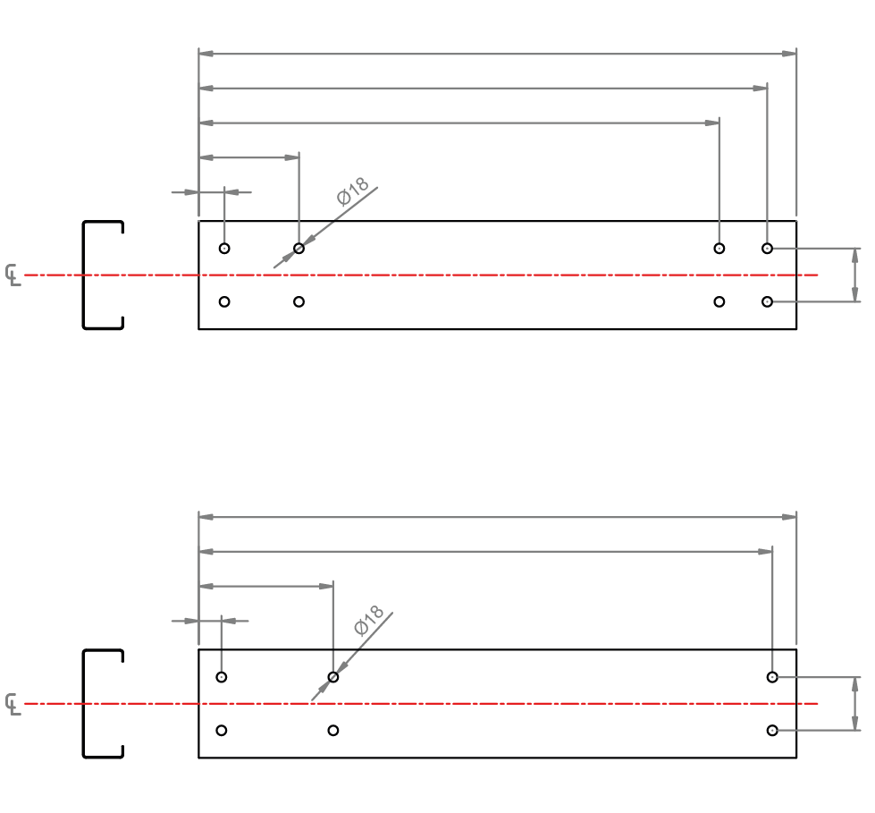
Rafter Length =
4299
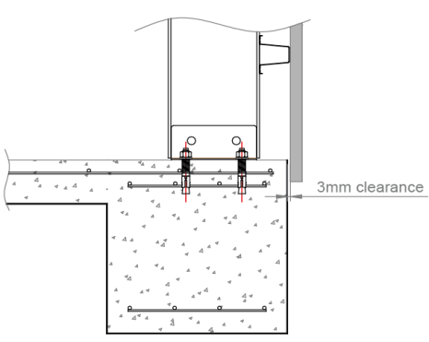
4248
Date:
4178
157
Name/Contact:
47
Site Address:
60
Company:
C150
<== Apex End Haunch End ==>
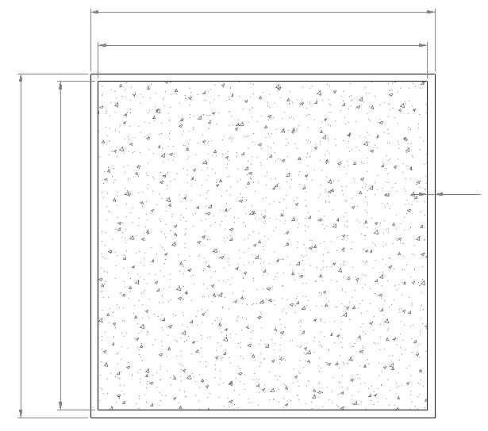
Shed Width =
9000
Shed Details
Slab Width =
8936
Column Length =
4117
4070
Shed Width |  | Shed Height |  |  | Shed Length |  | Shed Colour
9000 | mm | 5000 | mm |  | 12000 | mm
245
35
Wall Height |  |  | No. Portal Frames
4109 | mm |  | 5 | total | *suitable
60
12000
11936
32
C150
Bracket Set |  |  |  |  | Columns, Mullions, Rafters
150mm (6") 11 deg |  |  |  |  | C Section | C150 | 152 | mm
<== Haunch End Footing Plate End ==>
Shed Length =
Slab Length =
Roof Cladding |  |  |  |  | Roof Top Hat
Customorb | 16 | mm |  |  | Top Hat | TH64095 | 64 | mm | Item | Material |  | Length mm | Qty | Total Metres
 |  |  |  |  |  |  |  |  | Rafter | C150 |  | 4299 | 10 | 42.99
Wall Cladding |  |  |  |  | Wall Top Hat |  |  |  | Column | C150 |  | 4117 | 10 | 41.17
Trimdeck | 29 | mm |  |  | Top Hat | TH64095 | 64 | mm

Extra Notes
Notes: | 0

formula
1 | 2 | 3 | 4 | 5 | 6 | 7 | 8 | 9 | 10 | 11 | 12 | 13 | 14 | 15 | 16 | 17 |  | Top Hat |  |  | C Section |  |  | Roof Sheet
Bracket Set | Angle | C Section | Left space | Right Space | Top Hat Space | Foot Space | RH1 | RH2 | RH3 | RH4 | CH1 | CH2 | CH3 | Plum Cut | Centres | Notes: |  | Set List | Set List |  | Set List | Set List |  | Set List | Set List
150mm (6") 5 deg | 5 | 152 | 2.5 | 17.25 | 46.64 | 5.00 | 48.40 | 158.40 | 120.77 | 50.77 | 35.00 | 245.00 | 47.00 | 0.00 | 60.00 |  |  | TH61075 | 61 |  | C150 | 152 |  | Customorb | 16
150mm (6") 11 deg | 11 | 152 | 2.5 | 32.86 | 60.53 | 5.00 | 47.22 | 157.22 | 120.73 | 50.73 | 35.00 | 245.00 | 47.00 | 0.00 | 60.00 |  |  | TH64075 | 64 |  | C200 | 203 |  | Trimdeck | 29
150mm (6") 15 deg | 15 | 152 | 2.5 | 43.11 | 61.13 | 5.00 | 39.71 | 149.71 | 109.60 | 39.60 | 35.00 | 245.00 | 47.00 | 0.00 | 60.00 |  |  | TH64095 | 64 |  | C250 | 254
150mm (6") 22.5 deg | 22.5 | 152 | 2.5 | 61.93 | 53.11 | 5.00 | 37.88 | 137.88 | 104.43 | 34.43 | 35.00 | 245.00 | 47.00 | 0.00 | 60.00 |  |  | TH75075 | 75 |  | C300 | 300
200mm (8") 5 deg | 5 | 203 | 2.5 | 20.69 | 17.76 | 5.00 | 64.91 | 204.91 | 161.85 | 71.85 | 37.40 | 247.40 | 47.00 | 0.00 | 100.00 |  |  | TH75095 | 75
200mm (8") 11 deg | 11 | 203 | 2.5 | 41.95 | 37.65 | 5.00 | 58.66 | 198.66 | 161.03 | 71.03 | 38.74 | 248.74 | 47.00 | 0.00 | 100.00
200mm (8") 15 deg | 15 | 203 | 2.5 | 57.15 | 52.84 | 5.00 | 48.03 | 188.03 | 144.68 | 54.68 | 42.46 | 252.46 | 47.00 | 0.00 | 100.00
200mm (8") 22.5 deg | 22.5 | 203 | 2.5 | 80.61 | 65.36 | 5.00 | 41.08 | 171.08 | 131.75 | 41.75 | 35.00 | 245.00 | 47.00 | 0.00 | 100.00

1 | 2 | 3 | 4 | 5 | 6 | 7 | 8 | 9 | 10 | 11 | 12 | 13 | 14 | 15 | 16 | 17
Bracket Set | Angle | C Section | Left space | Right Space | Top Hat Space | Foot Space | RH1 | RH2 | RH3 | RH4 | CH1 | CH2 | CH3 | Plum Cut | Centres | Notes: | Rafter Length | Rafter RH1 | Rafter RH2 | Rafter RH3 | Rafter RH4 | Column Length | Column CH1 | Column CH2 | Column CH3 | Centres | Rafter Qty | Column Qty | Plumb Cut | Wall height | Slab Gap | Slab Width | Slab Length | cos theta | tan theta | bottom triangle | slab overrunn offset
 | 11 |  | 2.50 | 32.86 | 60.53 | 5.00 | 47.22 | 157.22 | 120.73 | 50.73 | 35.00 | 245.00 | 47.00 |  | 60 | 0 | 4299 | 47 | 157 | 4178 | 4248 | 4117 | 35 | 245 | 4070 | 60 | 10 | 10 | 0 | 4108.9891418 | 32 | 8936 | 11936 | 0.98162718345 | 0.19438030914 | 4219.64 | 3

top hat space, measure from line rafter top hats sit on to the top of column, vertically.

4299

4248

4178
4070

157
245
245

47
35

